Chart
MAYBELLINE MASCARA
QTY / PCS | CASE PACK | # OF CASES | PRODUCT DESCRIPTION | PRICE | UPC | BATCH CODE: | BRAHA STYLE #: | IMAGE
3,960 | 72 | 55 | MAYBELLINE The Colossal Volum Express Mascara - #231 Classic Black (CARDED) | $4.00 | 041554050905 | 50U404 |  | 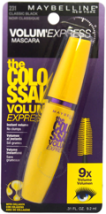
5,832 | 72 | 81 | MAYBELLINE The Colossal Volum Express Waterproof Mascara - #240 Glam Black (CARDED) | $4.00 | 041554197037 | 50U701 |  | 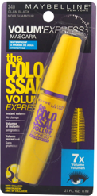
4,680 | 72 | 65 | Maybelline New York Great Lash Lots of Lashes Washable Mascara #141 Very Black | $4.00 | 041554239416 | 50U902 50U500 |  | 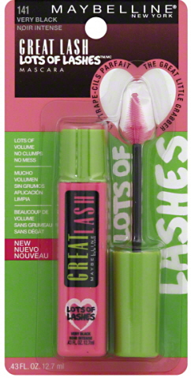
360 | 72 | 5 | Maybelline New York the Colossal Volum' Express Mascara #230 Glam Black (CARDED) | $4.00 | 041554050899 | 50U404 50U801 |  | 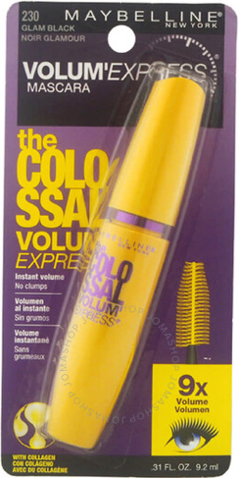
6,768 | 72 | 94 | MAYBELLINE The Colossal Volum Express Waterproof Mascara #241 Classic Black (CARDED) | $4.00 | 041554197044 | 50U500 |  | 